System Architecture
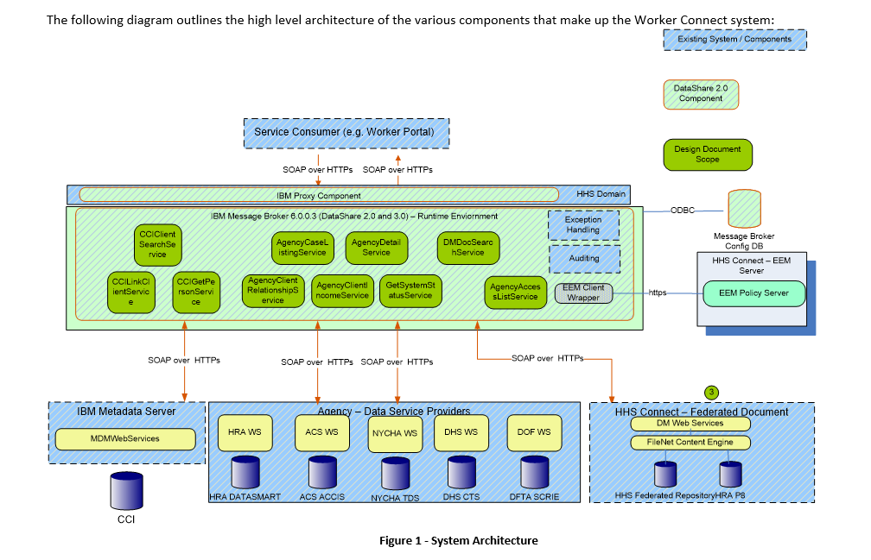
No Message Queue for Soap Request |  |  | Message Queue for Soap Request

 |  | Solution 1
Request Over HTTPS
SOAP and REST
Request Over HTTPS
SOAP and REST
New Datashare
Generic Rest API Endpoint
Generic Rest API Endpoint
New Datashare

Send Audit Message
Send Audit Message
Audit Queue Consumer
Error Queue Consumer
Audit Queue Consumer
Error Queue Consumer

Message Processor
Request Message Producer
Response Message Consumer

Request Message Validation
Response Schema Trnsform
DB

Authentication
Message
Producer
Message
Transformer
Message
Filter
Message
Validator
Message Aggregator
DB
Request Message Consumer
Message Processor
Request Schema transform
Response Aggregation
Message
Producer
Message
Transformer
Message
Filter
Message
Validator
Message Aggregator
Request Message Validation
Response Message Producer

Make Soap Request
Response Filtering
Authentication
Response Schema Trnsform

Request Schema transform
Response Aggregation

SOAP Over HTTPS
SOAP Over HTTPS
Make Soap Request
Response Filtering

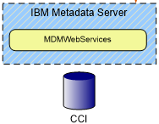

SOAP Over HTTPS
SOAP Over HTTPS

 | Existing

